Quote & Pics
Job Role | Skills Necessary as stated by an employee | Picture of someone in the role
Casting I & II | "In Casting I, to be successful, an employee needs to have strong attention skills--to be able to understand table conditions and to keep them in good working condition. It is important for the person in this role to have a strong sense of urgency. In Casting II, an employee needs to be able to see the bigger picture--having an understanding of the casting process, and stay ahead of Charging. The employee needs a strong sense of urgency, ability and willingness to follow directives, and most importantly willingness to help others in area as needed." | 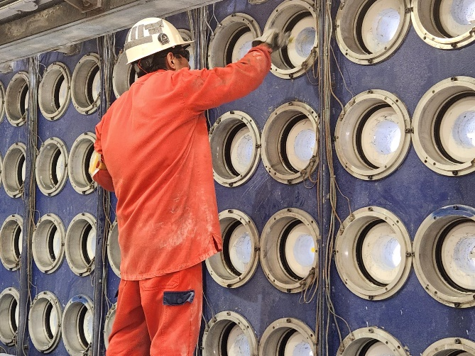
Senior Caster | "A senior caster should have a strong awareness of what’s going on while the casting operation is in progress, an attention to detail. A senior caster should be able to multi task, to be able to attend to the steps that make up the overall casting operation." "In the role of senior caster a operator should be a up and coming leader that is self sufficient and self motivated. Senior caster should take ownership in all aspects casting including the mold shop. As a senior caster the operatpr is already proficient in casting and should pass knowledge on to operators and new operators to make them better." "In order to be a successful senior caster, one must be able to multitask during turnarounds and ensure that other casters are doing their job along with keeping up with your own duties as a caster. Take ownership of the casting area such as housekeeping and minor troubleshooting. Have knowledge of GC casting equipment and track time by knowing the shift goals for the day. | 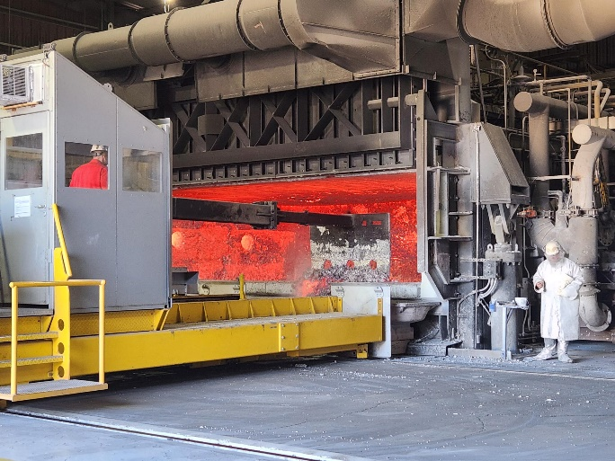
Charging I&II | "To be successful in Charging I&II, you need strong mobile equipment skills--running a payloader and a forklift. Also, you need to have strong time management skills and have a strong understanding of the process. Knowing the difference between aluminum is key in this role." | 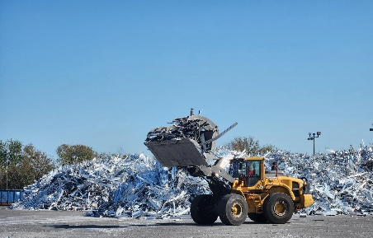
Mould Shop | "I feel like a couple of qualities and skills that are important to be successful as a Mould Shop Technician are paying attention to detail and focused on work that you are doing at the time. It can be a technical job at times and also being really good at trouble." shooting helps. | 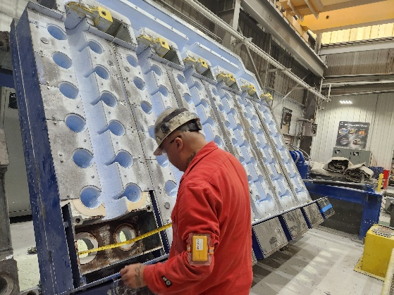
Saw I&II | "I believe a good attribute for a saw operator would be the ability to troubleshoot problems as they occur. Another skill a good saw operator would need is the ability to work alone unsupervised." | 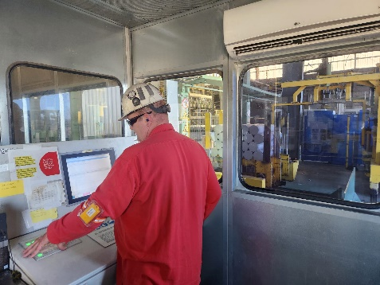
Production Lead | "In order to be a successful Lead person you need to have all the skills to effectively operate in all 3 areas of production (Charging, Casting, Saw) and extensive knowledge of Homogenization and log tracking for both Conti and Batch. A successful Lead will need to be able to help troubleshoot problems in each area and come up with solutions to keep us on track and safe." "A lead operator must maintain a positive attitude and be flexible when it comes to a changing market. Lead operators serve as a buffer between the floor and supervision and must be able to effectively communicate things down to the floor level. They must be able to take responsibility of the entire plant in the event the supervisor is not here. Also, they need to have knowledge of every area in order to keep the plant running and product flowing by front line maintenance on minor issues that may arise that is out of normal operating hours." | 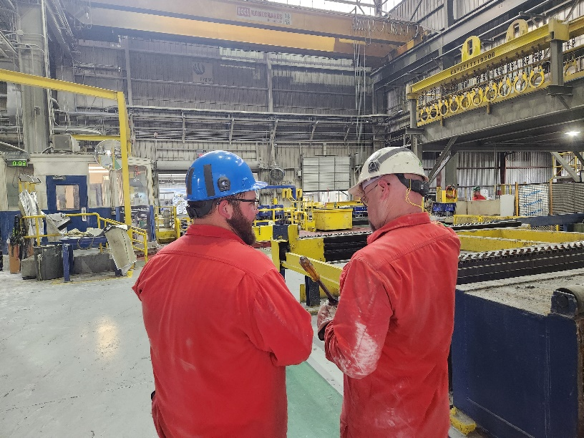
Production Supervisor | On the hard skills side, knowledge of the plant and manufacturing is very helpful along with knowing safety and quality standards. Critical soft skills needed include problem solving, prioritization (decision making), Communication (written, verbal, and active listening), Adaptability/Flexibility, resource management (delegation and finding answers you don't know), and strong interpersonal skills (the right blend of empathy, positivity, and backbone). | 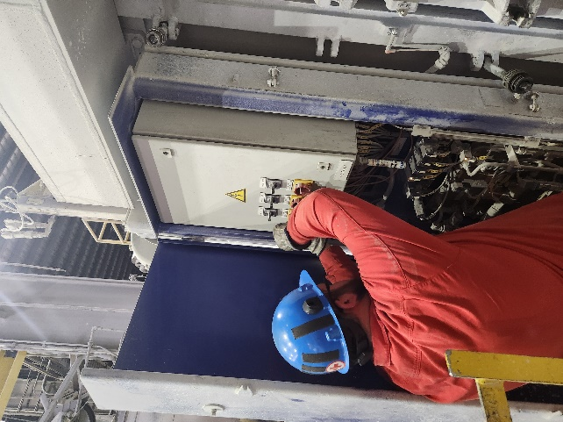
Material Handler Unloading | "The employee needs solid Mobile Equipment skills, willingness to learn and an understanding that all Aluminum is not the same." | 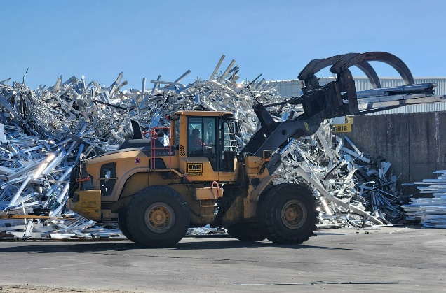
Shipping Receiving Specialist | "The employee needs intermediate computer skills, ability to multitask, and good communication skills with vendors and customers." | 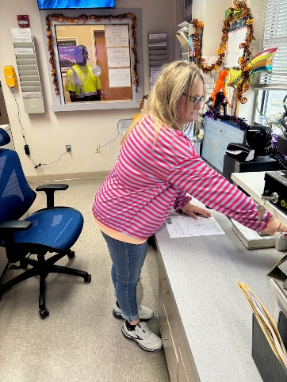
Material Handler Melter | "The employee needs to show a willingness to learn the areas (type of scrap to look for, different scrap profile, etc), willingness to listen" | 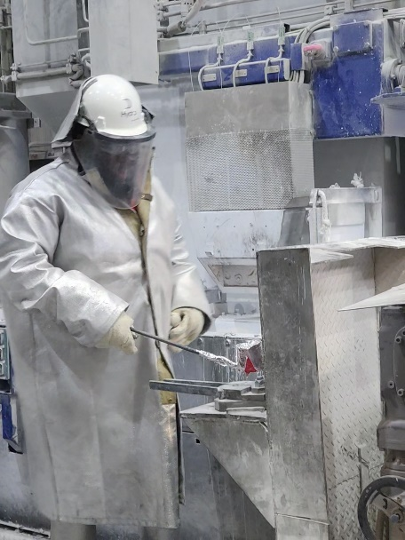
Material Handler Loading | "The employee needs solid Forklift skills, willingness to learn and an understanding that all Aluminum is not the same." | 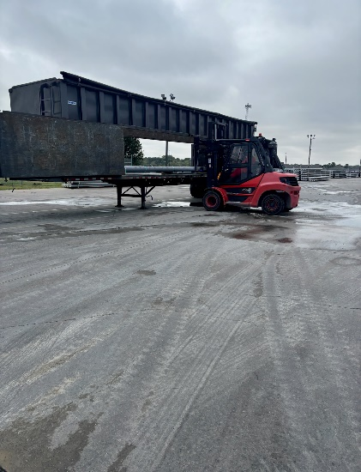
Material Handler Supervisor | "Employees interested in this role need to have the following skills to be successful: Time management, good people skills, advance computer skills and power equipment experience." | 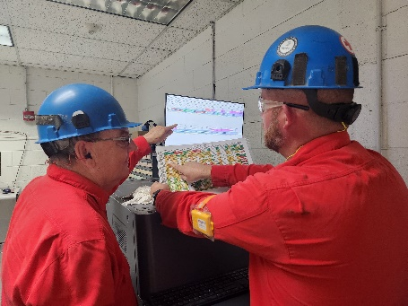
Maintenance Technician | "Two things that come to mind…first is the ability to work well with others as a team, to communicate and be willing to always help coworkers when needed. Don’t be the lone wolf. Second, have a drive to be the best technician on the team. Always wanting to learn, asking for advice or additional training as well as feedback from coworkers on how they resolved difficult issues. Desire for knowledge to achieve that goal." "A person who has strong mechanical, electrical, hydraulic, and pneumatic exposure in an industrial environment. Being familiar with how automated equipment is built and the ability to learn how the equipment is designed to operate. Be motivated to work through problem solving tasks or scenarios and ensure work is being performed safe and right the first time." | 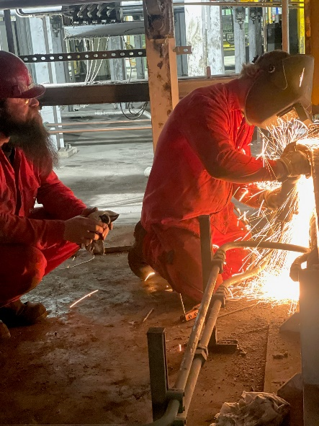
Maintenance Supervisor | "A good maintenance supervisor can inspire their team and build trust and rapport with them. They should ensure that the team works together towards common goals. The maintenance supervisor should have strong communication skills so they can provide good customer service and direct their team. They should be able to spot potential problems and act quickly to avoid serious issues." | 